Sheet1
SUPER MATERIALS ONE MEMBER COMPANY LIMITED
Tax Code. 0315502282 | Postal Code. 700000
A. 187/7 Dien Bien Phu Street, Da Kao Ward, District 1, Ho Chi Minh City, Vietnam
T. +84 98 9944 746 | F. -
E. purchasing@ss-materials.com | W. www.ss-materials.com
PURCHASE ORDER
PO No.: SM-SANDMEYER/230919
Date: Sept 23, 2019
 |  |  |  |  |  |  | Number of page: 01
FROM: SUPER MATERIALS ONE MEMBER COMPANY LIMITED A. 187/7 Dien Bien Phu Street, Da Kao Ward, District 1 Ho Chi Minh City, Vietnam T. +84 98 9944 746 | F. - |  |  |  | TO: SANDMEYER STEEL COMPANY A. 10001 Sandmeyer Lane, Philadelphia, PA 19116, USA T. +1 215 464 7100 | F. +1 215 698 4128 Attn: Jim Hewins

Thank you for your quote #914623-01, we are pleased to ORDER the following materials:

No. | Items and Description |  |  | Quantity (Pc) | Total Weight (Kg) | Unit Price (USD/Pc) | Total Price (USD)
1 | SSC TYPE 410 (UNS S41000) - ASTM A240/A240M |  |  | 1 | 118.8 | 1,095.00 | 1,095.00
 | Mill Origin: New Castle Stainless Plate / USA
 | Dimension: Plate 95.25 mm x 265.0 mm x 585.0 mm
2 | SSC TYPE 410 (UNS S41000) - ASTM A240/A240M |  |  | 1 | 29.9 | 299.00 | 299.00
 | Mill Origin: New Castle Stainless Plate / USA
 | Dimension: Plate 63.5mm x 160.0 mm x 366.0 mm
TOTAL |  | EXW PHILADELPHIA PA, USA |  |  | 148.7 | USD | 1,394.00

* Lead time: |  |  | 3 to 4 working days.
* Delivery term: |  |  | EXW PHILADELPHIA PA, USA.
* Payment: |  |  | 100% in advance.
* Required documents: |  |  | Certificate of Origin (certified by your company, no need Chamber of Commerce), Mill Test Certificates, Commercial Invoice, Packing List.

* Packing: |  |  | Standard packing for export by sea.
* Marking: |  |  | Steel plates have original marking on surface, in case plates are cut from a big plate please mark Material Grade, Dimension, Mill Maker and Heat Number on its surface by marker.

**All bank charges inside Vietnam are covered by Buyer and all bank charges outside Vietnam has to be covered by Seller.

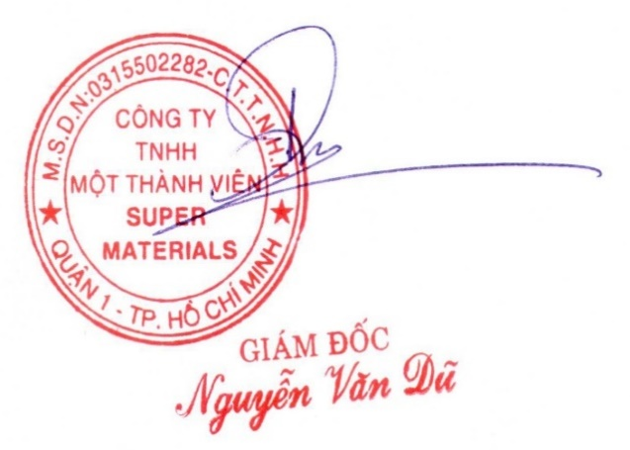
CONFIRMATION OF BUYER |  |  |  | CONFIRMATION OF SELLER

